Sheet1
 |  | Document No. | Issue No. | Issue Date |  | Review and Replace Date |  | Authorised By
 |  | GFF069MC | 2 | 23.01.2019 |  | 22.11.2019 |  | Magda Shah
 |  | Document Title | Chicken Curry Hot Pot 255g
Document amendments reason for change |  | shelf life details reviewed |  | Page 1 of 1 | Previous Issue Date |  | New Issue | Uncontrolled copy unless signed original

CCBIR2-B1P | FSC |  | CHICKEN CURRY HOT POT 255g | CHILLED
STEP 1 |  |  | STEP 2 |  |  |  | STEP 3
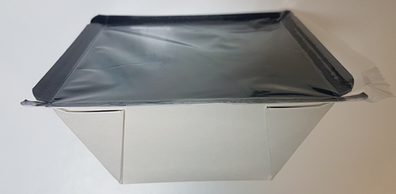 |  |  | 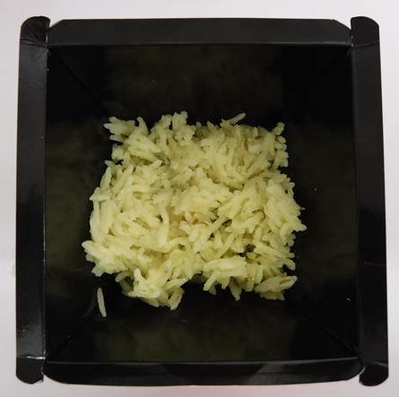 |  |  |  | 

Tray: Inner tray (cook box tray) (PKKWP001-02) Ken wilkins Print ltd |  |  | Biryani Rice (GFF135R): 60g |  |  |  | Tandoori Chicken (GFF243R): 50g
Film: 132mm Wrapid (PKWRA001-05)
STEP 3 |  |  |  |  | STEP 4
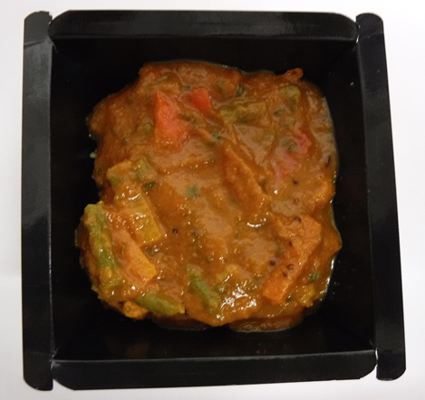 |  |  |  |  | 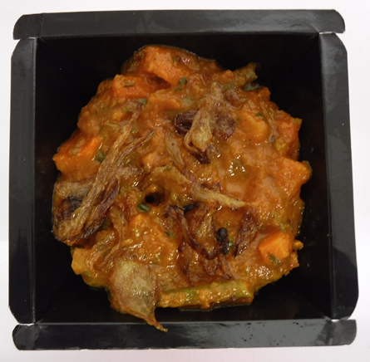

Use by applied from Date of Cooking (the oldest component)

Vegetable Balti Sauce (GFF244R): 140g |  |  |  |  | Fried Onion (GFF140R): 5g
 |  |  |  |  | TOTAL WEIGHT: 255g
ALLERGY ALERT: MILK, MUSTARD

